Sheet1
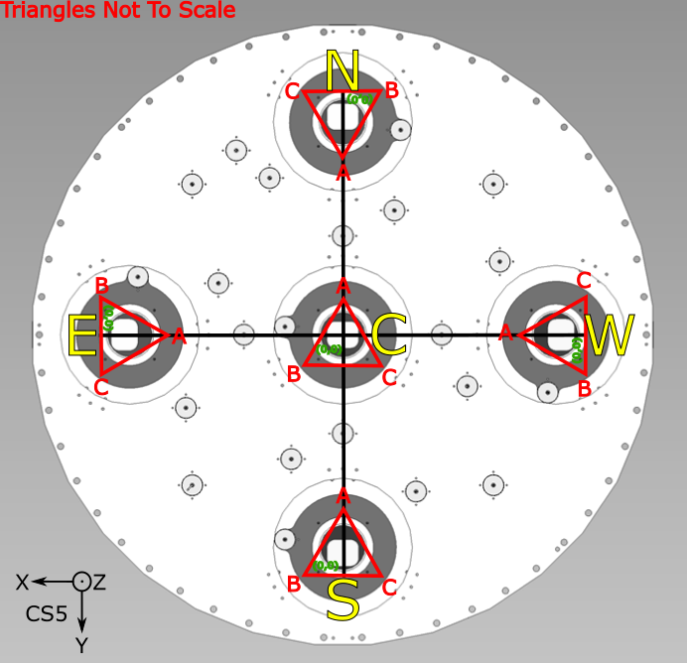
 | Spherical Term | Aspheric Focal Surface
0 | 0 | 0
16.614380277 | -0.027725889438 | -0.027748407749
16.614380277 | -0.027725889438 | -0.027748407749
16.614380277 | -0.027725889438 | -0.027748407749
16.614380277 | -0.027725889438 | -0.027748407749
100 | -1.004522816 | -1.0308956789
150 | -2.2604615202 | -2.375666812
200 | -4.01930848 | -4.3155815296
250 | -6.2815974386 | -6.841112705
300 | -9.0480160259 | -9.924184448
350 | -12.319406807 | -13.586562511
386.5 | -15.026954591 | -16.696150923
396.5 | -15.815860563 | -17.622539798
DESI Commissioning Instrument Metrology Tables
SBIG STXL 6303e (9 micron pixels, 3072 (H) × 2048 (V))
ZEMAX Image surface definition, 10th order even polynomial

1/c (mm) | -4977.99
k | 0
a4 (1/mm^4) | -2.96E-10
a6 (1/mm^6) | 3.45E-15
a8 (1/mm^8) | -1.80E-20
a10 (1/mm^10) | 3.26E-26

pixel (mm) | 9.00E-03
Long | 3.07E+03
Short | 2.05E+03
CCD Long edge/2 | 1.38E+01
CCD short edge/2 | 9.22E+00
 |  |  |  |  | Aspheric Terms |  |  |  |  | nominal |  | Aspheric
Description of Location | X | Y | r |  | Second | Fourth | Sixth | Eighth | Tenth | Z |  | Departure
 | (mm) | (mm) | (mm) |  | (sphere) |  |  |  |  | (mm) |  | (mm)

Center of Field | 0 | 0 | 0 |  | 0 | 0.00E+00 | 0.00E+00 | 0.00E+00 | 0.00E+00 | 0 |  | 0
+X, +Y Center chip corner (nominal) | 1.38E+01 | 9.22E+00 | 16.614380277 |  | -0.027725889438 | -2.26E-05 | 7.26E-08 | -1.05E-10 | 5.22E-14 | -0.027748407749 |  | -2.25183115E-05 | 23 microns of focus shift from center to corner of CCD
+X, +Y Center chip corner (actual)
+X, -Y Center chip corner (nominal) | 1.38E+01 | -9.22E+00 | 16.614380277 |  | -0.027725889438 | -2.26E-05 | 7.26E-08 | -1.05E-10 | 5.22E-14 | -0.027748407749 |  | -2.25183115E-05
+X, -Y Center chip corner (actual)
-X, -Y Center chip corner (nominal) | -1.38E+01 | -9.22E+00 | 16.614380277 |  | -0.027725889438 | -2.26E-05 | 7.26E-08 | -1.05E-10 | 5.22E-14 | -0.027748407749 |  | -2.25183115E-05
-X, -Y Center chip corner (actual)
-X, +Y Center chip corner (nominal) | -1.38E+01 | 9.22E+00 | 16.614380277 |  | -0.027725889438 | -2.26E-05 | 7.26E-08 | -1.05E-10 | 5.22E-14 | -0.027748407749 |  | -2.25183115E-05
-X, +Y Center chip corner (actual)
 | 100 | 0 | 100 |  | -1.004522816 | -2.96E-02 | 3.45E-03 | -1.80E-04 | 3.26E-06 | -1.0308956789 |  | -0.0263728629
 | 150 | 0 | 150 |  | -2.2604615202 | -1.50E-01 | 3.93E-02 | -4.62E-03 | 1.88E-04 | -2.375666812 |  | -0.11520529178
 | 200 | 0 | 200 |  | -4.01930848 | -4.74E-01 | 2.21E-01 | -4.62E-02 | 3.34E-03 | -4.3155815296 |  | -0.2962730496
 | 250 | 0 | 250 |  | -6.2815974386 | -1.16E+00 | 8.43E-01 | -2.75E-01 | 3.11E-02 | -6.841112705 |  | -0.55951526642
 | 300 | 0 | 300 |  | -9.0480160259 | -2.40E+00 | 2.52E+00 | -1.18E+00 | 1.92E-01 | -9.924184448 |  | -0.8761684221
 | 350 | 0 | 350 |  | -12.319406807 | -4.45E+00 | 6.35E+00 | -4.06E+00 | 8.98E-01 | -13.586562511 |  | -1.2671557041
 | 386.5 | 0 | 386.5 |  | -15.026954591 | -6.62E+00 | 1.15E+01 | -8.98E+00 | 2.42E+00 | -16.696150923 |  | -1.6691963327
CI CCD center Location (roughly GFA location) | 396.5 | 0 | 396.5 |  | -15.815860563 | -7.33E+00 | 1.34E+01 | -1.10E+01 | 3.13E+00 | -17.622539798 |  | -1.8066792357
 | 406.5 | 0 | 406.5 |  | -16.625047681 | -8.10E+00 | 1.56E+01 | -1.35E+01 | 4.01E+00 | -18.58261474 |  | -1.9575670586
Angle 386.5 to 396.5 (degrees) | -5.2927111506
Angle 396.5 to 406.5 (degrees) | -5.4840159044
Angle to chip center | -5.3883635275 | Machined tilt to 5.4 degrees

X Chip center | 396.47 | 0 | 396.47 |  | -15.813463519 | -7.33E+00 | 1.34E+01 | -1.10E+01 | 3.13E+00 | -17.619710389 |  | -1.80624687
X chip inner corner | 3.83E+02 | 9.22E+00 | 382.75696724 |  | -14.736878898 | -6.36E+00 | 1.09E+01 | -8.31E+00 | 2.20E+00 | -16.357961513 |  | -1.6210826147
X chip inner corner | 3.83E+02 | -9.22E+00 | 382.75696724 |  | -14.736878898 | -6.36E+00 | 1.09E+01 | -8.31E+00 | 2.20E+00 | -16.357961513 |  | -1.6210826147
X chip outer corner | 4.10E+02 | 9.22E+00 | 410.39749158 |  | -16.945922489 | -8.41E+00 | 1.65E+01 | -1.45E+01 | 4.41E+00 | -18.965919749 |  | -2.0199972601
X chip outer corner | 4.10E+02 | -9.22E+00 | 410.39749158 |  | -16.945922489 | -8.41E+00 | 1.65E+01 | -1.45E+01 | 4.41E+00 | -18.965919749 |  | -2.0199972601

Y Chip center | 0 | 396.47 | 396.47 |  | -15.813463519 | -7.33E+00 | 1.34E+01 | -1.10E+01 | 3.13E+00 | -17.619710389 |  | -1.80624687
Y chip inner corner | 1.38E+01 | 3.87E+02 | 387.50066257 |  | -15.104984547 | -6.68E+00 | 1.17E+01 | -9.17E+00 | 2.49E+00 | -16.787346714 |  | -1.6823621673
Y chip inner corner | -1.38E+01 | 3.87E+02 | 387.50066257 |  | -15.104984547 | -6.68E+00 | 1.17E+01 | -9.17E+00 | 2.49E+00 | -16.787346714 |  | -1.6823621673
Y chip inner corner | 1.38E+01 | 4.06E+02 | 405.92146232 |  | -16.577680254 | -8.05E+00 | 1.54E+01 | -1.33E+01 | 3.96E+00 | -18.526151432 |  | -1.948471178
Y chip outer corner | -1.38E+01 | 4.06E+02 | 405.92146232 |  | -16.577680254 | -8.05E+00 | 1.54E+01 | -1.33E+01 | 3.96E+00 | -18.526151432 |  | -1.948471178

FIF #1
FIF#2

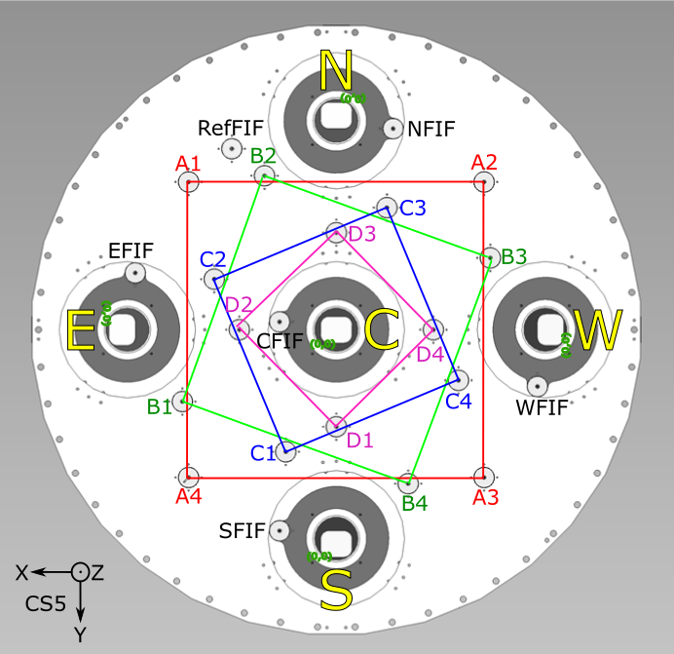
FIF Center Locations in CS5 (X mm, Y mm, Z mm) as used in DESI_CI_MET Software
 | X mm | Y mm | Z mm | r mm
RefFIF | 199.280 | -345.150 | -17.816 | 398.549
NFIF | -108.310 | -383.550 | -17.817 | 398.549
WFIF | -383.550 | 108.310 | -17.817 | 398.549
SFIF | 108.310 | 383.550 | -17.817 | 398.549
EFIF | 383.550 | -108.310 | -17.817 | 398.549
CFIF | 108.310 | 15.000 | -1.238 | 109.344
A1 | 281.820 | -281.820 | -17.817 | 398.554
A2 | -281.820 | -281.820 | -17.817 | 398.554
A3 | -281.820 | 281.820 | -17.817 | 398.554
A4 | 281.820 | 281.820 | -17.817 | 398.554
B1 | 293.640 | 136.930 | -11.604 | 323.997
B2 | -293.640 | 136.930 | -11.604 | 323.997
B3 | -293.640 | -136.930 | -11.604 | 323.997
B4 | -136.930 | 293.640 | -11.604 | 323.997
C1 | 96.440 | 232.820 | -6.954 | 252.004
C2 | 232.820 | -96.440 | -6.954 | 252.004
C3 | -96.440 | -232.820 | -6.954 | 252.004
C4 | -232.820 | 96.440 | -6.954 | 252.004
D1 | 0.000 | 185.000 | -3.671 | 185.000
D2 | 185.000 | 0.000 | -3.671 | 185.000
D3 | 0.000 | -185.000 | -3.671 | 185.000
D4 | -185.000 | 0.000 | -3.671 | 185.000

CCD tip/tilt/Z Measurement Triangle Points as used in DESI_CI_MET Software
(Equilateral triangle with points A/B/C, centered on the center of the CCD. A/B/C are each 8mm from the center of the CCD)

Triangle Circumscribed Circle Radius (mm): | 8

 | CCD Center |  |  |  | A |  |  |  | B |  |  |  | C
 | X mm | Y mm | Z mm | r mm | X mm | Y mm | Z mm | r mm | X mm | Y mm | Z mm | r mm | X mm | Y mm | Z mm | r mm
North CCD | 0.000 | -396.480 | -17.621 | 396.480 | 0.000 | -388.480 | -16.877 | 388.480 | -6.928 | -400.480 | -18.006 | 400.540 | 6.928 | -400.480 | -18.006 | 400.540
West CCD | -396.480 | 0.000 | -17.621 | 396.480 | -388.480 | 0.000 | -16.877 | 388.480 | -400.480 | 6.928 | -18.006 | 400.540 | -400.480 | -6.928 | -18.006 | 400.540
South CCD | 0.000 | 396.480 | -17.621 | 396.480 | 0.000 | 388.480 | -16.877 | 388.480 | 6.928 | 400.480 | -18.006 | 400.540 | -6.928 | 400.480 | -18.006 | 400.540
East CCD | 396.480 | 0.000 | -17.621 | 396.480 | 388.480 | 0.000 | -16.877 | 388.480 | 400.480 | -6.928 | -18.006 | 400.540 | 400.480 | 6.928 | -18.006 | 400.540
Center CCD | 0.000 | 0.000 | 0.000 | 0.000 | 0.000 | -8.000 | -0.006 | 8.000 | 6.928 | 4.000 | -0.006 | 8.000 | -6.928 | 4.000 | -0.006 | 8.000

